Dashboard
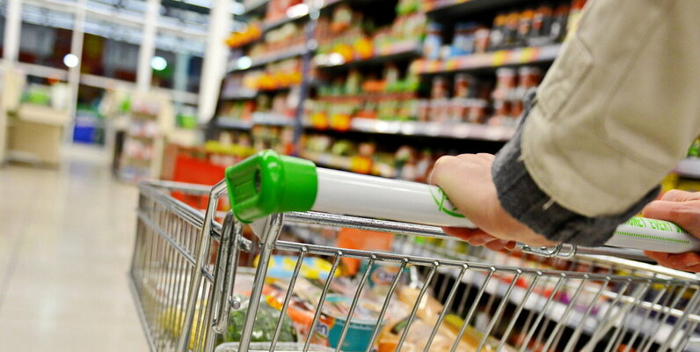 |Super Store Interactive Sales Dashboard|

Profit Margin Across Region
 | Sum of Sales | Sum of Profit | Sum of Profit Margin
Central | £501,239.89 | £39,706.36 | 7.92%
East | £678,781.24 | £91,522.78 | 13.48%
South | £391,721.91 | £46,749.43 | 11.93%
West | £725,457.82 | £108,418.45 | 14.94%
Sales Delivery By Year
 | Total
Bookcases | -3472.556
Chairs | 26590.1663
Furnishings | 13059.1436
Tables | -17725.4811
Appliances | 18138.0054
Art | 6527.787
Binders | 30221.7633
Envelopes | 6964.1767
Fasteners | 949.5182
Labels | 5546.254
Paper | 34053.5693
Storage | 21278.8264
Supplies | -1189.0995
Accessories | 41936.6357
Copiers | 55617.8249
Machines | 3384.7569
Phones | 44515.7306
Average Discount Across Categories
 | Sum of Profit | Average of Discount
Furniture | £18,451.27 | £0.17
Office Supplies | £122,490.80 | £0.16
Technology | £145,454.95 | £0.13

Top 10 States with the Highest Sales.
 | Sum of Sales | Sum of Sales2
California | £457,687.63 | 25.16%
New York | £310,876.27 | 17.09%
Texas | £170,188.05 | 9.35%
Washington | £138,641.27 | 7.62%
Pennsylvania | £116,511.91 | 6.40%
Florida | £89,473.71 | 4.92%
Illinois | £80,166.10 | 4.41%
Ohio | £78,258.14 | 4.30%
Michigan | £76,269.61 | 4.19%
Virginia | £70,636.72 | 3.88%
North Carolina | £55,603.16 | 3.06%
Indiana | £53,555.36 | 2.94%
Georgia | £49,095.84 | 2.70%
Kentucky | £36,591.75 | 2.01%
New Jersey | £35,764.31 | 1.97%
Sum of Region Sale
 | Total
Central | 8780
East | 10618
South | 6209
West | 12266
SALES ACROSS SUB-CATEGORIES IN DIFF REGION
 | Central | East | South | West
Accessories | 33956.076 | 45033.372 | 27276.754 | 61114.116
Appliances | 23582.033 | 34188.466 | 19525.326 | 30236.336
Art | 5765.34 | 7485.764 | 4655.622 | 9212.066
Binders | 56923.282 | 53497.997 | 37030.341 | 55961.113
Bookcases | 24157.1768 | 43819.334 | 10899.362 | 36004.1235
Chairs | 85230.646 | 96260.683 | 45176.446 | 101781.328
Copiers | 37259.57 | 53219.462 | 9299.756 | 49749.242
Envelopes | 4636.872 | 4375.874 | 3345.556 | 4118.1
Fasteners | 778.03 | 819.718 | 503.316 | 923.216
Furnishings | 15254.37 | 29071.38 | 17306.684 | 30072.73
Labels | 2451.472 | 2602.934 | 2353.18 | 5078.726
Machines | 26797.384 | 66106.165 | 53890.96 | 42444.122
Paper | 17491.902 | 20172.602 | 14150.984 | 26663.718
Phones | 72403.282 | 100614.982 | 58304.438 | 98684.352
Storage | 45930.112 | 71612.584 | 35768.06 | 70532.852
Supplies | 9467.372 | 10760.116 | 8318.928 | 18127.122
Tables | 39154.971 | 39139.807 | 43916.192 | 84754.562

